Hiearchy View
CLASS: MOUNT
a support for a camera, or similar piece of equipment |  | 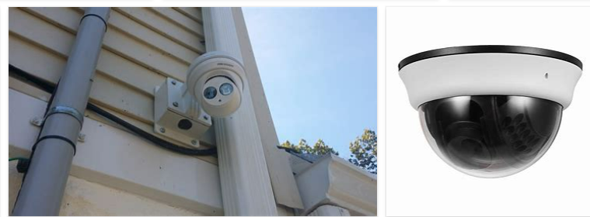
REMOVE | N

PROBLEM_DESC | CAUSE_DESC | REMEDY_DESC
BROKEN/DAMAGED
OTHER PROBLEM
OVERHEATING
PESTS
POWER-ELEC
STOPPED/SLOWED/POOR OPS
TEMP-CTRL
VIBRATION
Grand Total

